7312M
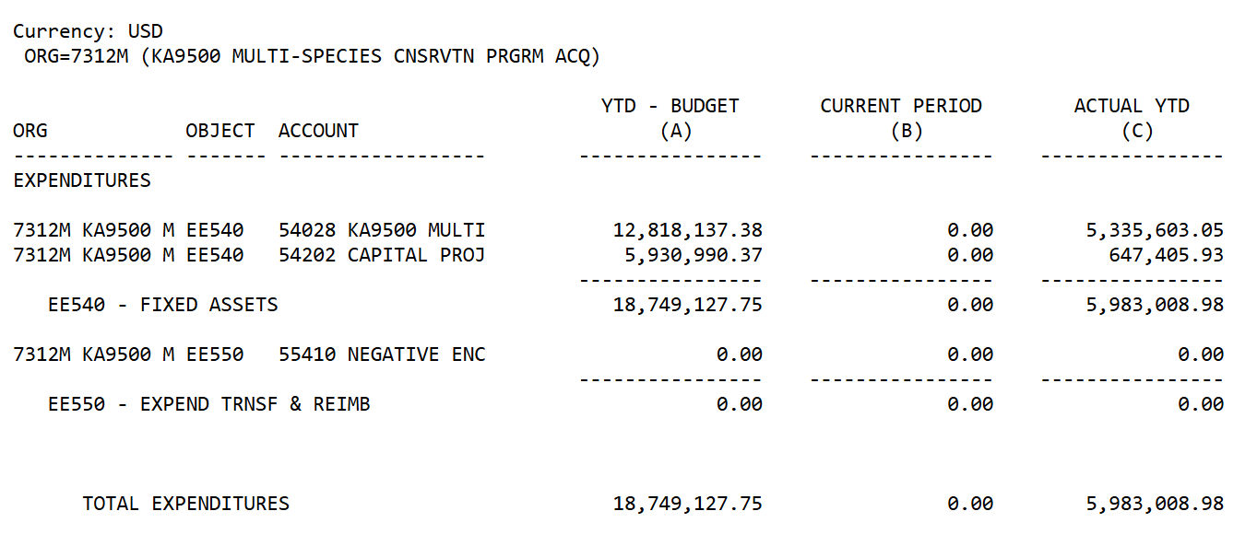
 | 7312M Worksheet

 | Total Approp | Total Expend |  | Amended | Actual |  |  | FEB-20 |  | FEB-21 |  | FEB-22 |  | FEB-23 |  | FEB-24 |  | FEB-25 |  | FEB-26
2018-06-30 | 139,386,450.54 | 107,004,025.13 |  |  |  | 105,300,384.32 | 76,013,200.54 | 113,048,017.17 | 84,507,343.48 | 113,265,108.14 | 86,789,274.35 | 121,376,183.60 | 94,752,677.52 | 128,871,147.76 | 102,472,891.44 | 136,489,408.51 | 105,358,641.26 | 139,557,681.92 | 116,798,836.66 | 139,557,681.92 | 123,018,142.25
2019-02-28 | 8,069,672.00 | 11,164,913.63 | GL014 |  |  | 42,155,738.22 | 42,155,738.22 | 42,155,738.22 | 42,155,738.22 | 42,155,738.22 | 42,155,738.22 | 42,155,738.22 | 42,155,738.22 | 42,155,738.22 | 42,155,738.22 | 42,155,738.22 | 42,155,738.22 | 42,155,738.22 | 42,155,738.22 | 42,155,738.22 | 42,155,738.22
2019-02-28 | 147,456,122.54 | 118,168,938.76 | GL085 |  |  | 147,456,122.54 | 118,168,938.76 | 155,203,755.39 | 126,663,081.70 | 155,420,846.36 | 128,945,012.57 | 163,531,921.82 | 136,908,415.74 | 171,026,885.98 | 144,628,629.66 | 178,645,146.73 | 147,514,379.48 | 181,713,420.14 | 158,954,574.88 | 181,713,420.14 | 165,173,880.47
2019-06-30 | 8,157,414.16 | 14,937,830.02 | GL014
2019-06-30 | 147,543,864.70 | 121,941,855.15 | GL085 |  |  | 105,388,126.48 | 79,786,116.93 | ADJ-20 |  |  |  | ADJ-22 |  | ADJ-23 |  | ADJ-24 |  | ADJ-25 |  | ADJ-26
2020-06-30 | 7,652,954.50 | 5,172,818.23 | GL014 |  |  | 42,155,738.22 | 42,155,738.22 | 113,041,080.98 | 84,958,935.16 |  |  | 121,371,147.76 | 102,408,740.10 | 128,989,408.51 | 104,824,093.27 | 136,395,171.89 | 112,118,594.76 | 139,557,681.92 | 122,568,631.53 | 139,557,681.92 | 128,551,640.51
2020-06-30 | 155,196,819.20 | 127,114,673.38 | GL085 | 33,254,964.05 | 5,172,818.23 | 147,543,864.70 | 121,941,855.15 | 42,155,738.22 | 42,155,738.22 |  |  | 42,155,738.22 | 42,155,738.22 | 42,155,738.22 | 42,155,738.22 | 42,155,738.22 | 42,155,738.22 | 42,155,738.22 | 42,155,738.22 | 42,155,738.22 | 42,155,738.22
 |  |  |  |  |  |  |  | 155,196,819.20 | 127,114,673.38 |  |  | 163,526,885.98 | 144,564,478.32 | 171,145,146.73 | 146,979,831.49 | 178,550,910.11 | 154,274,332.98 | 181,713,420.14 | 164,724,369.75 | 181,713,420.14 | 170,707,378.73

FEB-19 |  |  |  |  |  |  | JUN-19

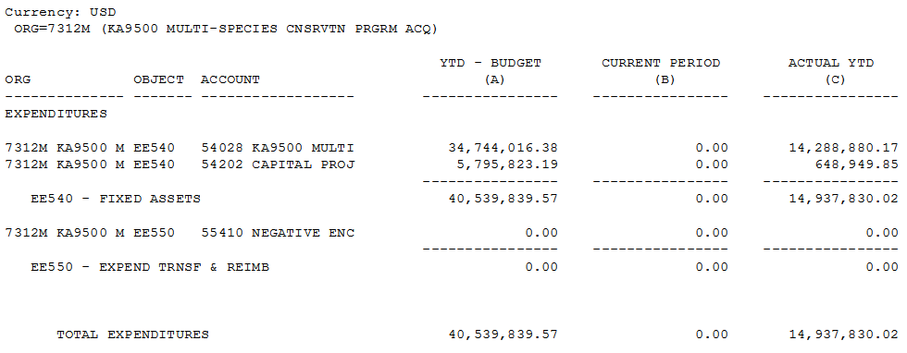

GL085 ADJ-20 |  |  |  |  |  |  | GL014 ADJ-20
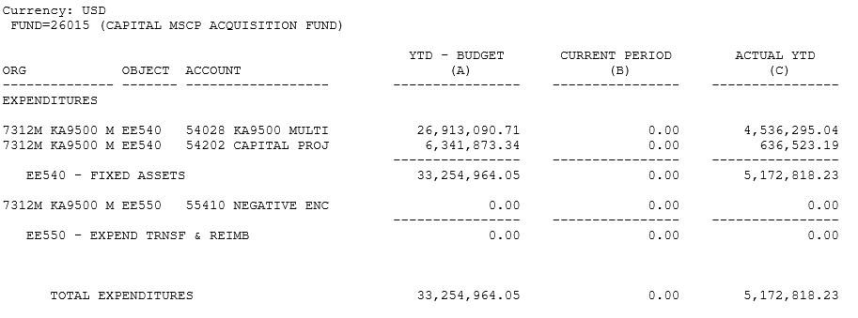

GL085 FEB-21

GL085 FEB-22

GL085 ADJ-22 |  |  |  |  |  |  | GL014 ADJ-22

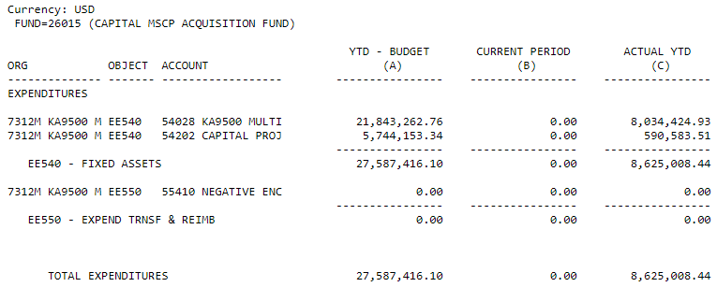

GL085 FEB-23 |  |  |  |  |  |  | GL014 FEB-23

GL085 ADJ-23 |  |  |  |  |  |  | GL014 ADJ-23

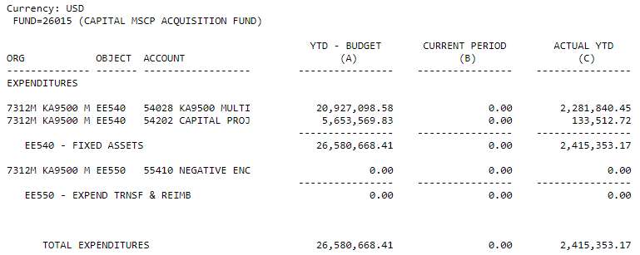

GL085 FEB-24 |  |  |  |  |  |  | GL014 FEB-24

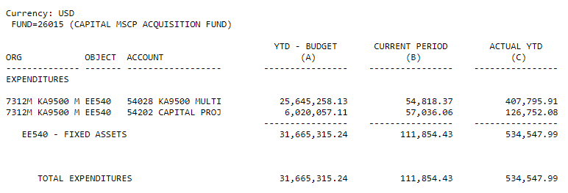

GL085 ADJ-24 |  |  |  |  |  |  | GL014 ADJ-24
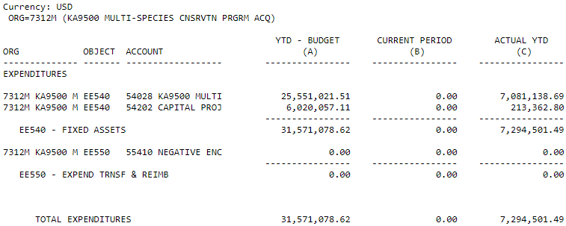

GL085 ADJ-24 |  |  |  |  |  |  | GL014 ADJ-24

GL085 FEB-25 |  |  |  |  |  |  | GL014 FEB-25

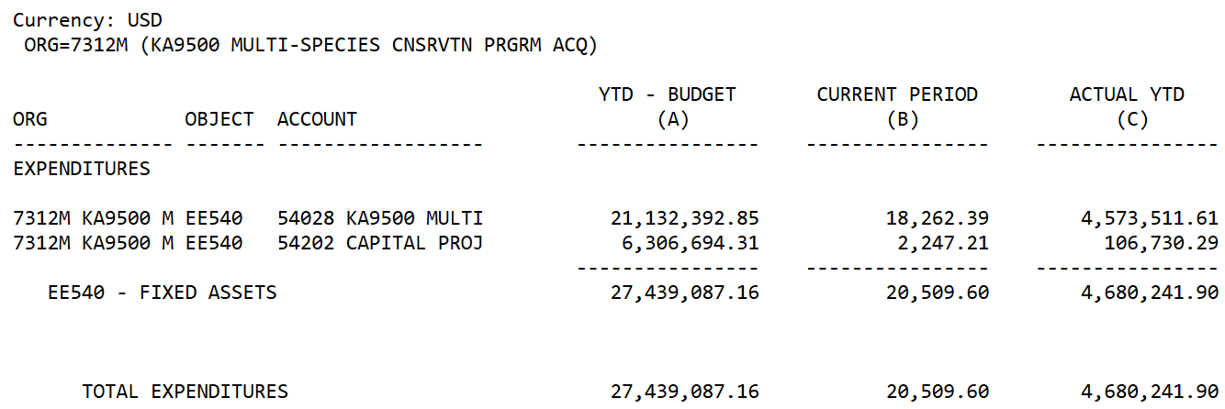

GL085 ADJ-25 |  |  |  |  |  |  | GL014 ADJ-25

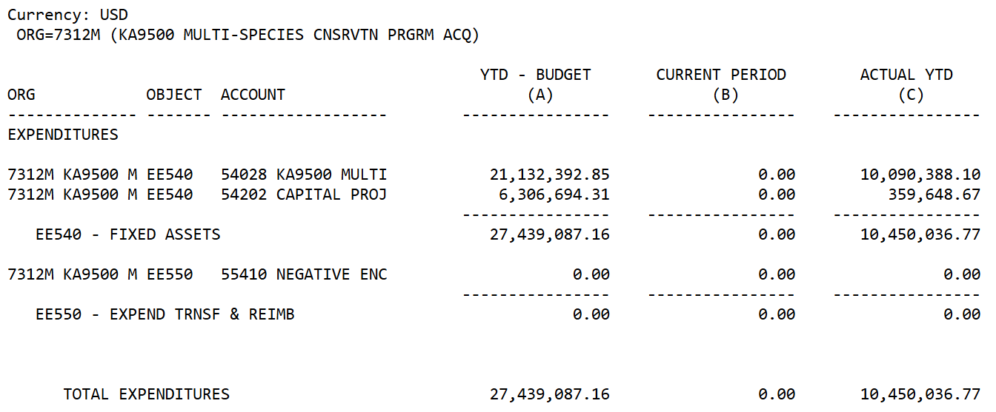

GL085 FEB-26 |  |  |  |  |  |  | GL014 FEB-26
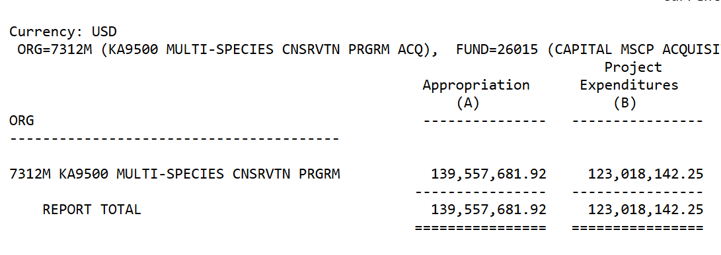
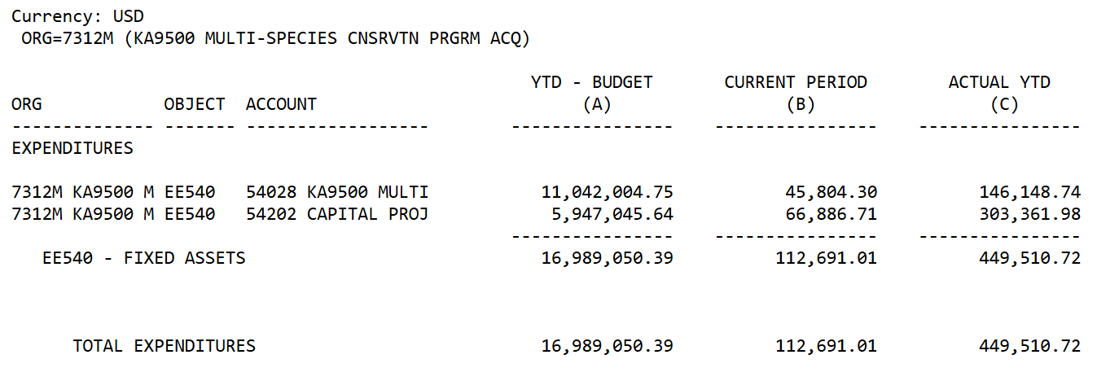

GL085 ADJ-26 |  |  |  |  |  |  | GL014 ADJ-26

