Results w Population Factors
Population Adjustment for Target Planning Year (2034)
Total edible food disposal tons for all Tier 1 & 2 commercial edible food generators:
Tier 1 | 0.0 tons
Tier 2 | 0.0 tons
Total | 0.0 tons

Apply Population Projections | Year | Enter Population | % Change in Population | Adjusted Edible Food Waste in Tons
Enter 2022 (data baseline year) population --->>> | 2022 |  |  | -
Enter Beginning Reporting Year Population (2025)--->>> | 2025 |  | #DIV/0! | #DIV/0!
Enter Projected Population in Target Year (2034)*--->>> | 2034 |  | #DIV/0! | #DIV/0!
*May need to look at 2035 to capture the full 10 years. |  |  |  | Report in County's Report Template

*Resources for determining a jurisdiction's current and projected population*
California Department of Finance
Estimates for Current Population (By City and County)
https://dof.ca.gov/forecasting/demographics/estimates/
Estimates for Projected Population (Countywide only)
https://dof.ca.gov/forecasting/demographics/projections/ Report P-2A: Total Estimated and Projected Population for California and Counties: July 1, 2020 to 2060
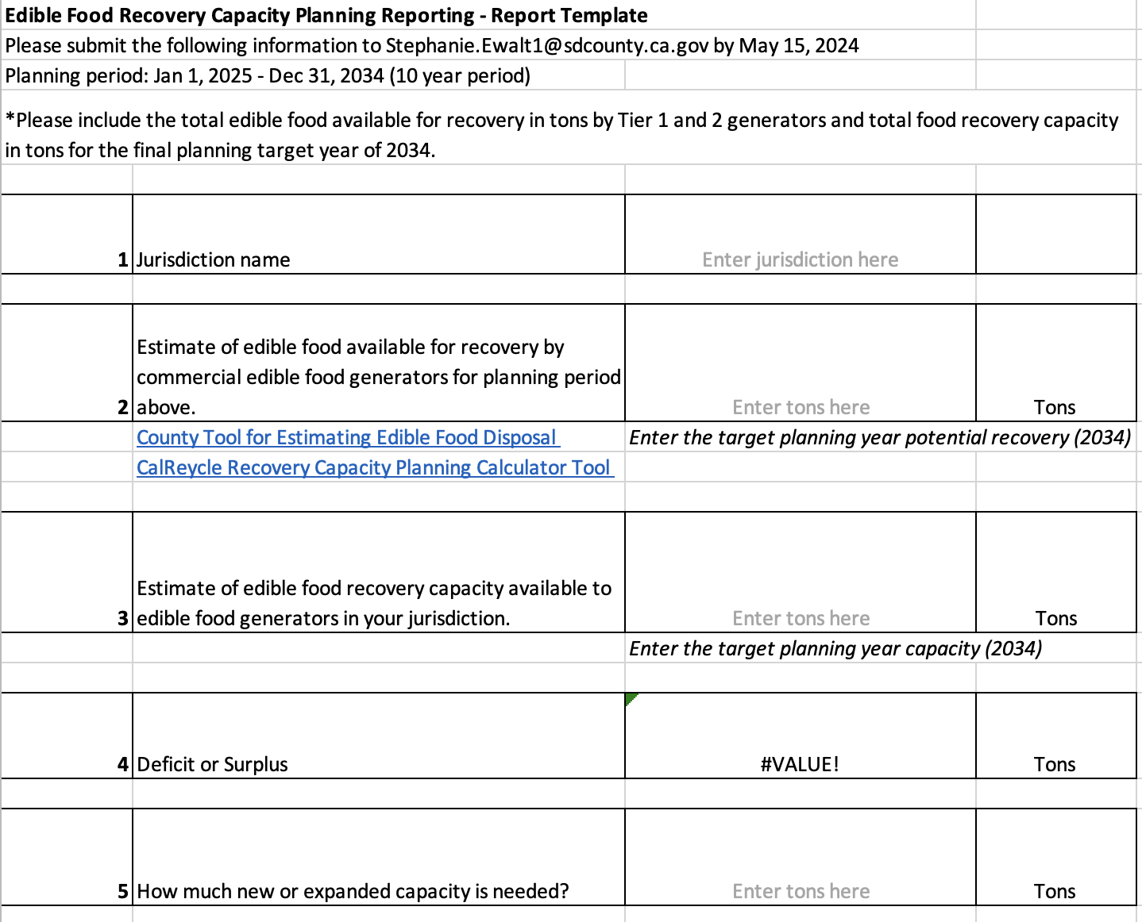

Manual Calculator Factors
Additional Calculator Factors
The level of information available to jurisdictions by generator sector will vary, as will the demographics and size of a jurisdiction. The statewide average used for the conversion factors in this tool may work for some jurisdictions, but may result in skewed results for others. If a jurisdiction would like to apply their own factors, rather than use the default statewide average by sector, they can use the factors provided below in CalRecycle's Tables 2 and 3 below. Table 2 provides the percentage of potentially donatable food waste by sectors and Table 3 provides NAICS codes and average employees per establishment.
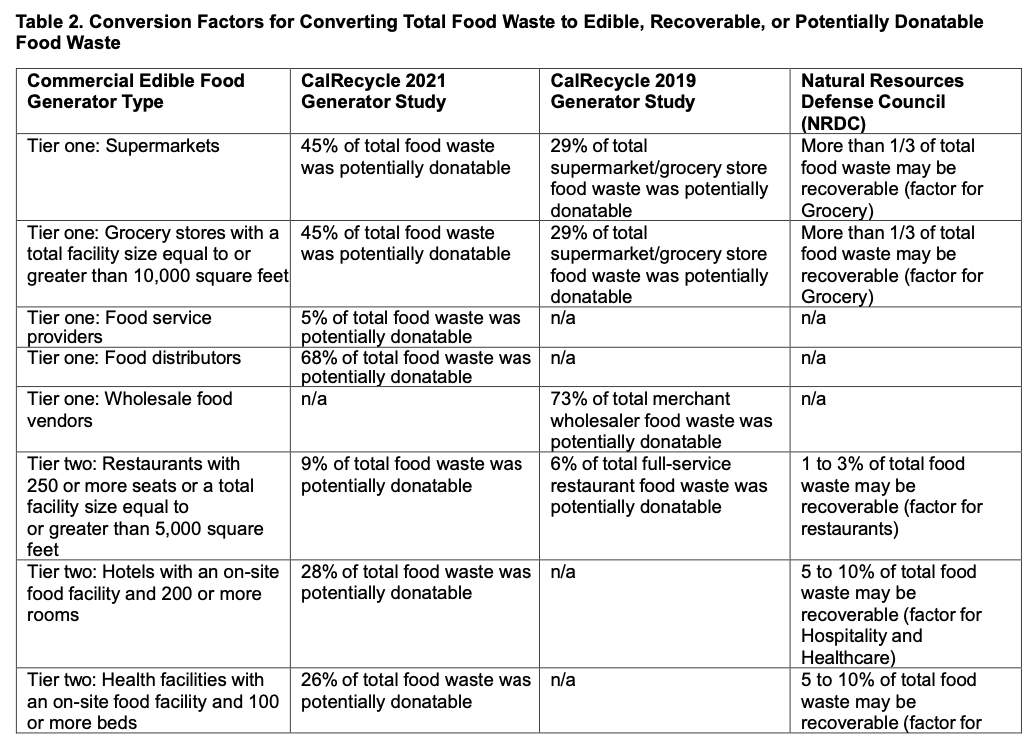
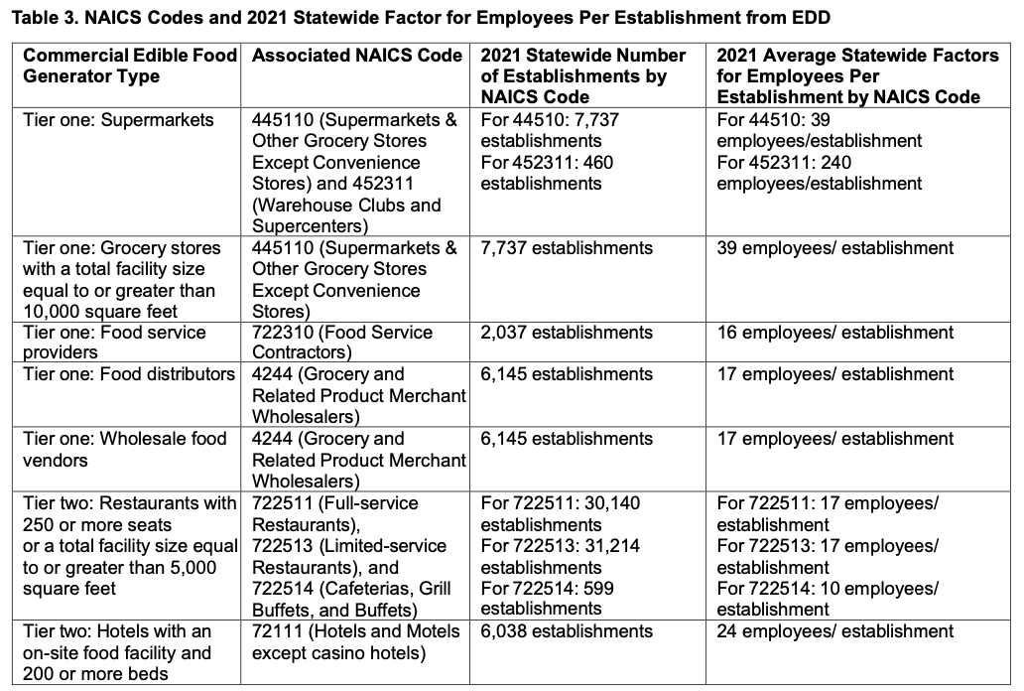

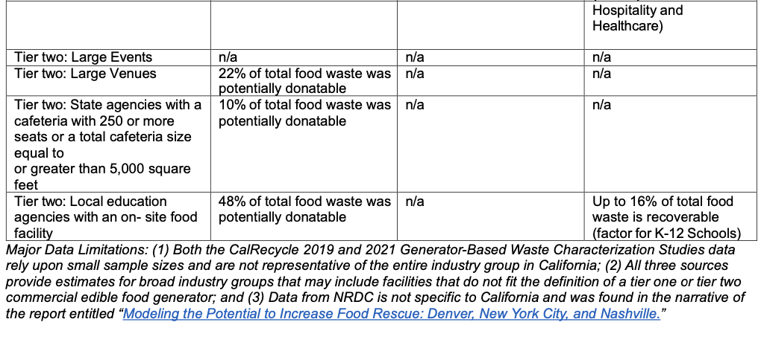
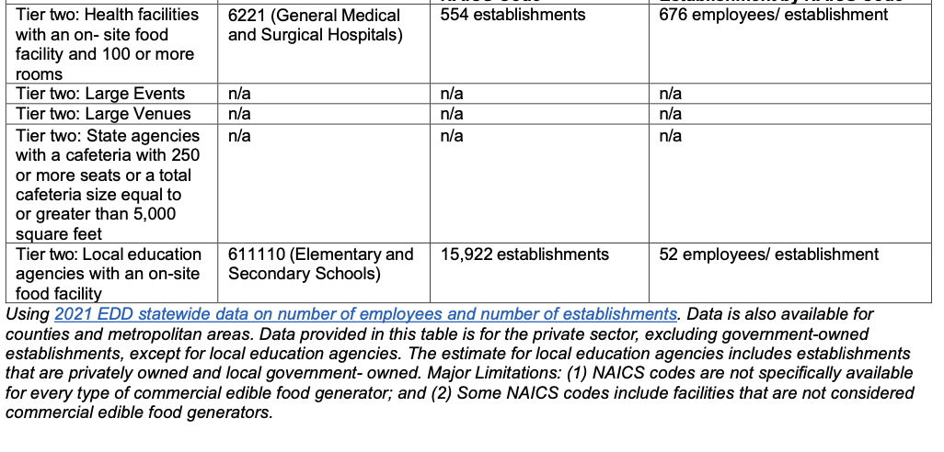

Example Manual Calculations Using Scale Estimates from NRDC and CalRecycle
The purpose of this tool is to allow a jurisdiction to scale estimates if facilities are considered larger or smaller than average. Note, this calculation combines data from multiple sources which may not directly align and therefore this should be considered and estimation tool only. It's important to check against the CalRecycle averages as well as what makes sense for your jurisdiction

Why doesn't the CalRecycle 2021 estimate line up here? (1) The NRDC study was done across multiple states. (2) This calculator combines data from multiple studies which may have different measurement factors. Again this is for estimation purposes to see if the CalRecycle 2021 study average applies to your jurisdiction. It may need to be scaled up or down. Use the "Manual" method in the Edible Food Disposal calculator (Column E) to enter a custom value.

Estimate by Employee Count | Reference From Published Studies |  |  | Estimates for My Jurisdiction |  |  | Total for My Jurisdiction | Reference Totals
 | NRDC Food Waste per Employee | CalRecycle Percentage of Food Waste Potentially Donatable | CalRecycle Employees per Establishment | My Jurisdiction Food Waste per Employee | My Jurisdiction Percentage of Food Waste Potentially Donatable | My Jurisdiction Employees per Establishment | My Jurisdiction Total Pounds of Potentially Donatable Food Waste Per Facility (Use in Edible Food Disposal Calculator) | CalRecycle 2021 Total Pounds of Potentially Donatable Food Waste | CalRecycle 2019 Total Pounds of Potentially Donatable Food Waste
Supermarket | 3,000 | 45% | 39 | 3,000 | 10% | 10 | 3,000 | 33,000 | 9,300
Grocery Store | 3,000 | 45% | 39 | 4 | 45% | 10 | 18 | 33,000 | 9,300
Restaurants | 3,000 | 9% | 17 | 3,000 | 9% | 10 | 2,700 | 3,700 | 1,900
Hotels | 1,984 | 28% | 24 | 1,984 | 28% | 10 | 5,555 | 26,000
Local education | 300 | 48% | 52 | 300 | 48% | 10 | 1,440 | 34,000 | n/a

Estimate by Revenue | Reference From Published Studies |  |  | Estimates for My Jurisdiction |  |  | Total for My Jurisdiction | Reference Totals
 | NRDC Food Waste per $1 of Revenue | CalRecycle Percentage of Food Waste Potentially Donatable |  | My Jurisdiction Food Waste per $1 of Revenue | My Jurisdiction Percentage of Food Waste Potentially Donatable | My Jurisdiction Revenue Per Facility | My Jurisdiction Total Pounds of Potentially Donatable Food Waste Per Facility (Use in Edible Food Disposal Calculator) | CalRecycle 2021 Total Pounds of Potentially Donatable Food Waste | CalRecycle 2019 Total Pounds of Potentially Donatable Food Waste
Food Distributors | 0.01 | 68% |  | 0.01 | 68% | $10,000,000 | 68,000 | 87,000 | 128,000
Wholesale food vendors | 0.01 | 73% |  | 0.01 | 73% | $12,000,000 | 87,600 | n/a | 128,000

Estimate by Bed Count | Reference From Published Studies |  |  | Estimates for My Jurisdiction |  |  | Total for My Jurisdiction | Reference Totals
 | NRDC Food Waste per Bed per Day | CalRecycle Percentage of Food Waste Potentially Donatable |  | My Jurisdiction Food Waste per Bed per Day | My Jurisdiction Percentage of Food Waste Potentially Donatable | My Jurisdiction Beds Per Facility | My Jurisdiction Total Pounds of Potentially Donatable Food Waste Per Facility (Use in Edible Food Disposal Calculator) | CalRecycle 2021 Total Pounds of Potentially Donatable Food Waste | CalRecycle 2019 Total Pounds of Potentially Donatable Food Waste
Health Facility - Hospitals | 3.42 | 26% |  | 3.42 | 26% | 50 | 16,228 | 7,800 | n/a
Health Facility - Nursing Home | 1.80 | 26% |  | 1.80 | 26% | 50 | 8,541

Estimate by Visitor | Reference From Published Studies |  |  | Estimates for My Jurisdiction |  |  | Total for My Jurisdiction | Reference Totals
 | NRDC Food Waste per Visitor | CalRecycle Percentage of Food Waste Potentially Donatable |  | My Jurisdiction Food Waste per Visitor | My Jurisdiction Percentage of Food Waste Potentially Donatable | My Jurisdiction Visitors | My Jurisdiction Total Pounds of Potentially Donatable Food Waste Per Facility (Use in Edible Food Disposal Calculator) | CalRecycle 2021 Total Pounds of Potentially Donatable Food Waste | CalRecycle 2019 Total Pounds of Potentially Donatable Food Waste
Large Venue | 0.45 | 22% |  | 0.45 | 22% | 300,000 | 29,700 | 34,000 | n/a

No data to provide manually scaled estimates |  | CalRecycle Percentage of Food Waste Potentially Donatable
Food Service Providers |  | 5% | No data provided in NRDC study to scale data
Large Events |  | n/a | No percentage of Potentially Donatable Food Waste provided by CalRecycle (makes sense, varies a lot by event)
State Agencies |  |  | Range of food waste varies too much in NRDC estimate (5 to 80 pounds per employee)

