INSTRUCTIONS
This tool is for school districts to compile and report data from their schools to SDCOE. Districts may also choose to report their school's data into the System for California Oral Health Reporting (SCOHR). OPTION 1: TO SUBMIT YOUR SCHOOLS' DATA TO SDCOE: If your schools used the KOHA School Data Entry Tool (updated 2024), review the tab 'School Data Entry' for any discrepancies and notes you may want to contact the school about. Go to tab 'Option 2 - Submit to District' and copy the school's data by selecting row 4 and clicking 'Copy.' In this tool, go to the tab 'District Data Entry', click the first empty cell under District Name (starting row 4) and select Paste Values, the clipboard icon with numbers 123 (see images for reference). Please review to make sure the data transferred correctly. Once completed for all your reporting schools, please send this excel workbook as an excel file to SDCOE. For questions about the KOHA School Data Entry Tool (updated 2024) or this KOHA District Summary Tool (updated 2024), please contact the Local Oral Health Program. OPTION 2: TO ENTER YOUR SCHOOLS' DATA INTO SCOHR (Not applicable for school year 2024 - 2025): To enter your schools' data directly into the System for California Oral Health Reporting (SCOHR), please log in at https://ab1433.org/home/overview. After logging in, go to the 'Date Input' menu and select 'Data Input Form.' Search for and select your school and click on the pencil icon under 'Actions' to access the Quick Input Form. Enter the numbers below and click 'Submit.' If your schools used the KOHA School Data Entry Tool (updated 2024), the tab 'Option 1- Direct to SCOHR' can be referenced to enter that school's data into SCOHR's Data Input Form. For questions about the KOHA School Data Entry Tool (updated 2024), please contact the Local Oral Health Program. For questions about SCOHR, please contact scohr@sjcoe.net or call (866) 762-9170.

Image 1: Copy school data from KOHA School Data Entry Tool (updated 2024), School Data Entry tab
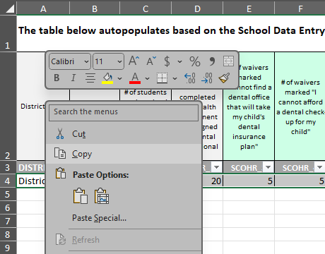

Images 2 and 3: Paste Values into KOHA District Summary Tool (updated 2024), District Data Entry tab
